Script
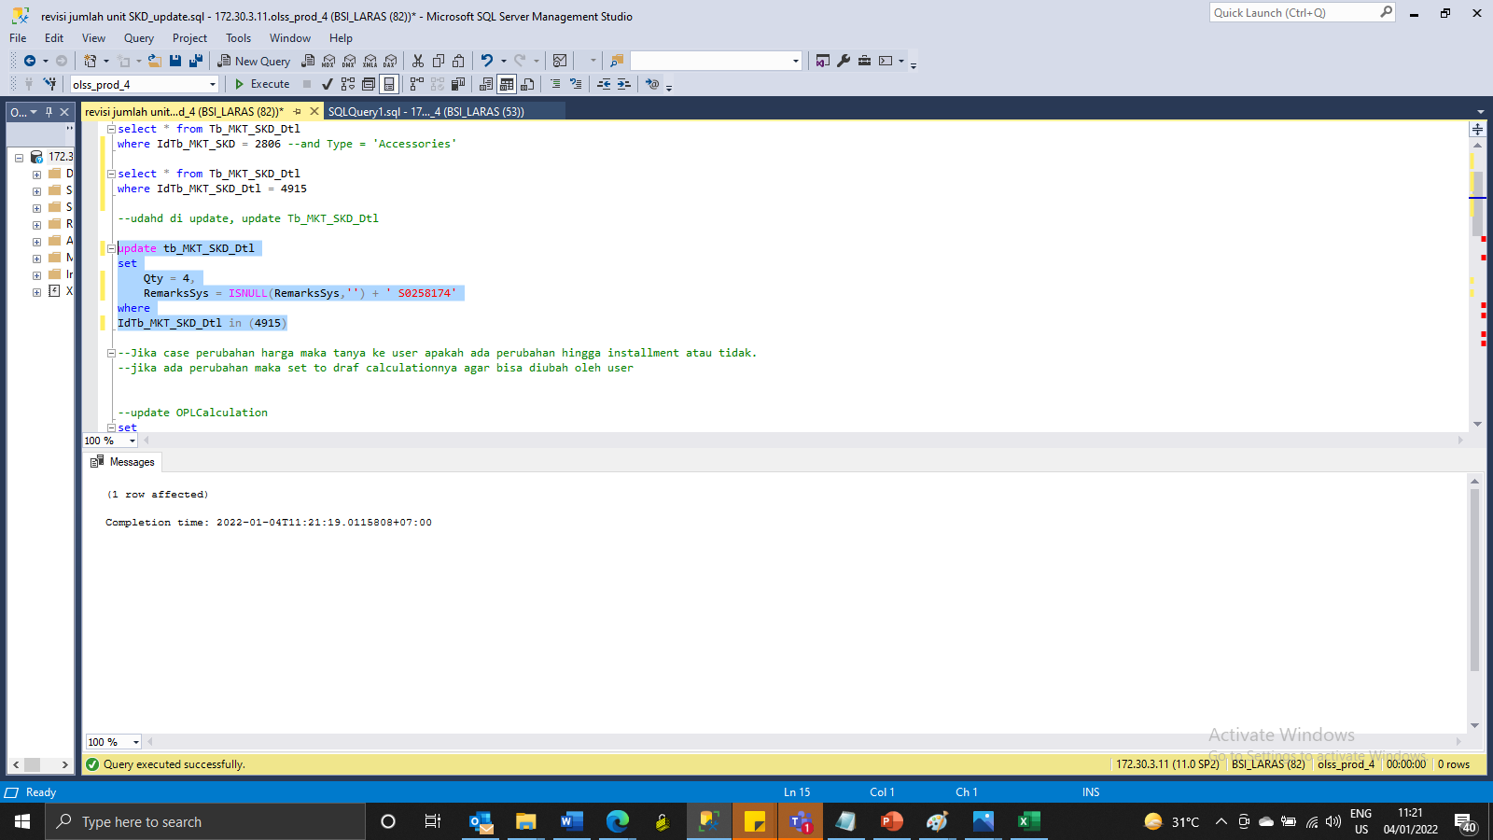
update tb_MKT_SKD_Dtl
set
Qty = 4,
RemarksSys = ISNULL(RemarksSys,'') + ' S0258174'
where
IdTb_MKT_SKD_Dtl in (4915)

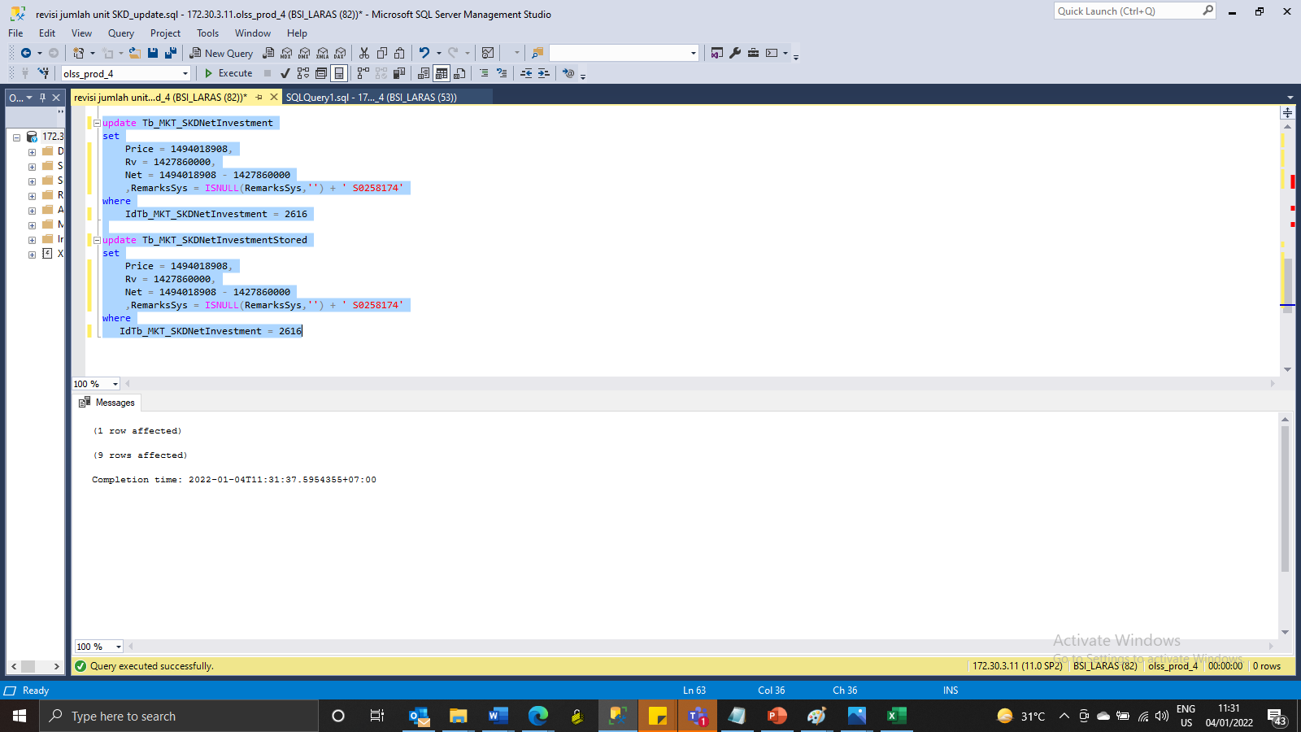
update Tb_MKT_SKDNetInvestment
set
Price = 1494018908,
Rv = 1427860000,
Net = 1494018908 - 1427860000
 | ,RemarksSys = ISNULL(RemarksSys,'') + ' S0258174'
where
IdTb_MKT_SKDNetInvestment = 2616

update Tb_MKT_SKDNetInvestmentStored
set
Price = 1494018908,
Rv = 1427860000,
Net = 1494018908 - 1427860000
 | ,RemarksSys = ISNULL(RemarksSys,'') + ' S0258174'
where
IdTb_MKT_SKDNetInvestment = 2616

Screenshot
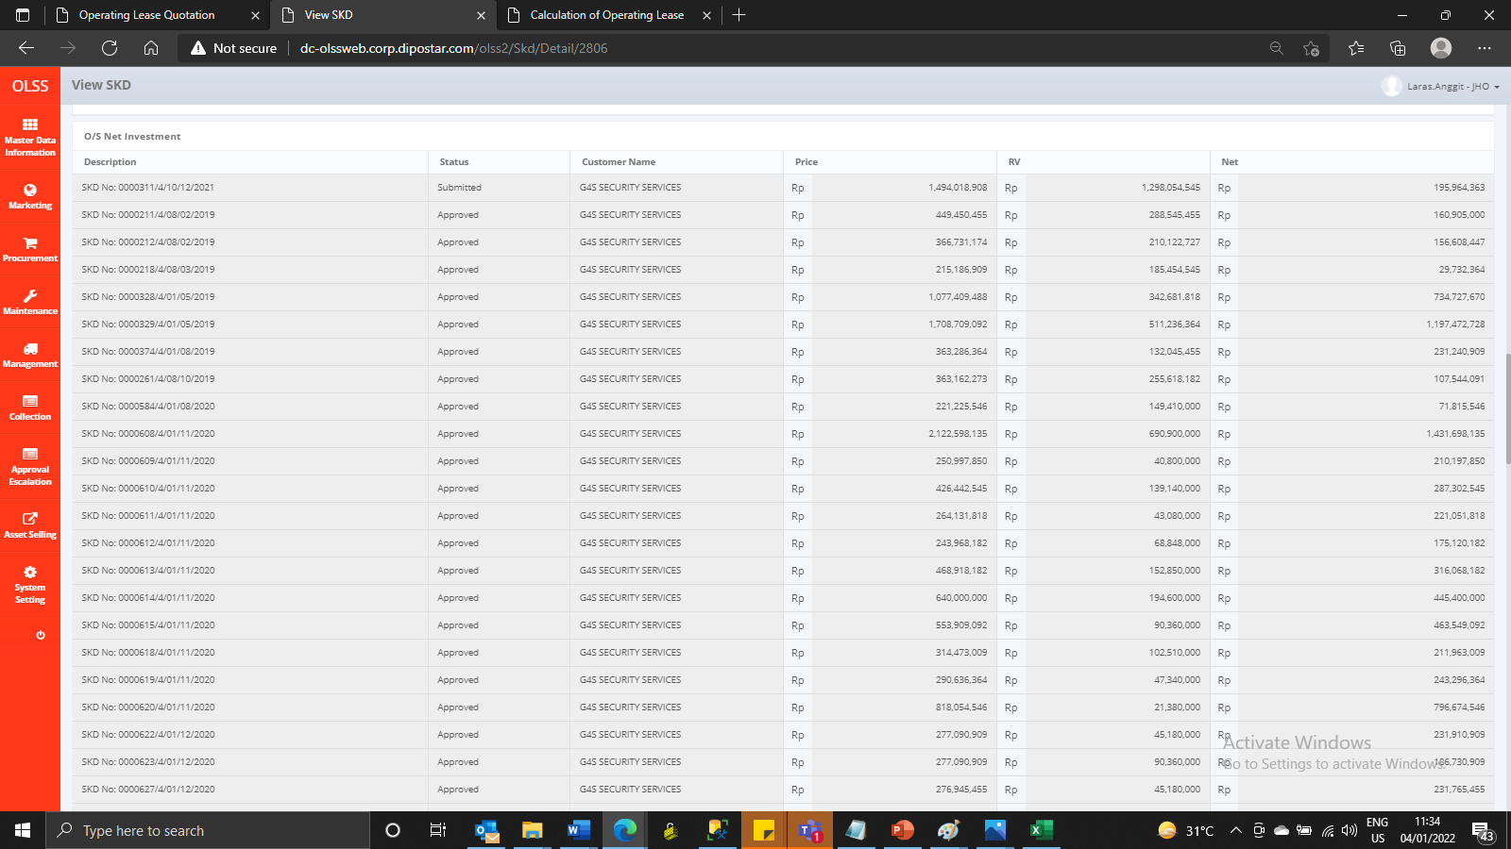
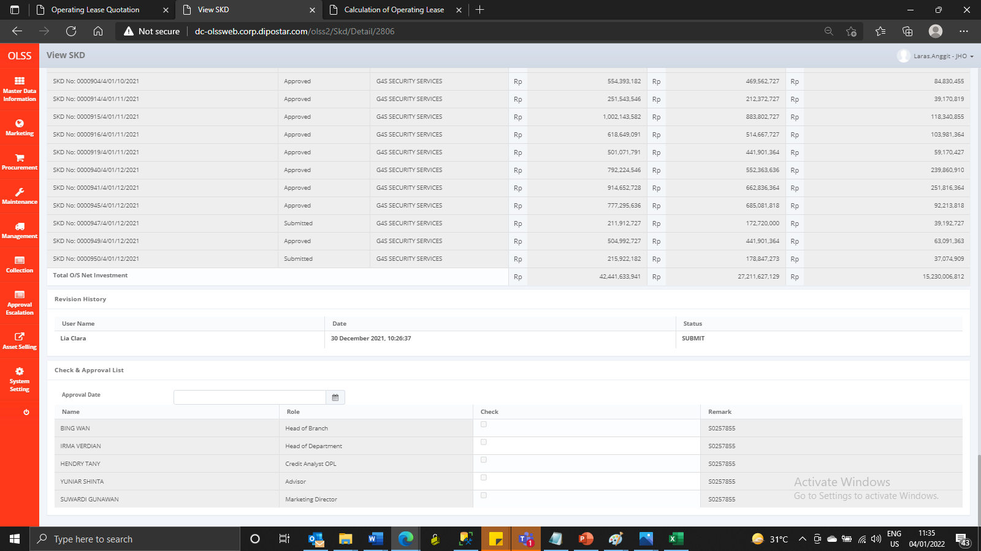
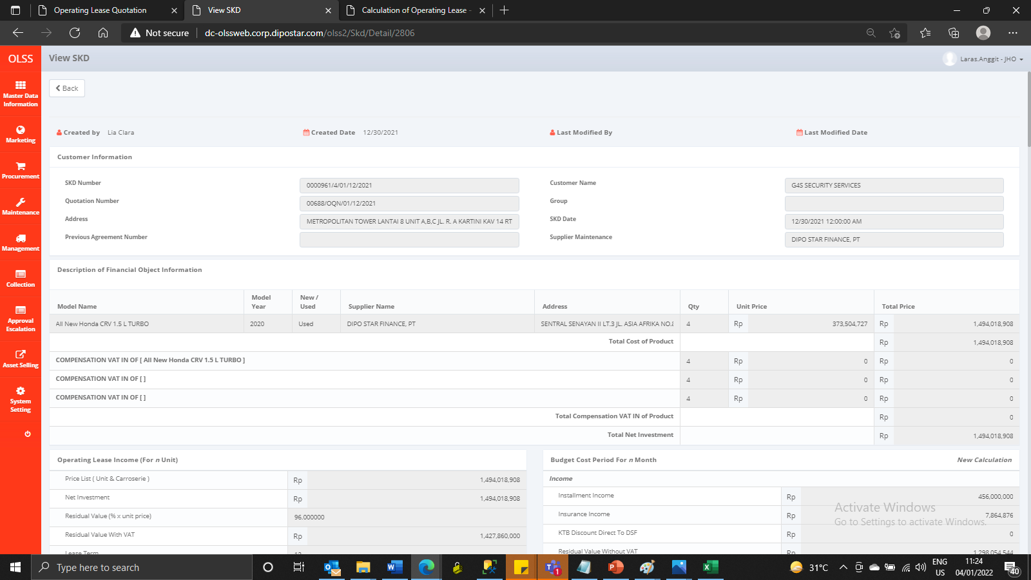
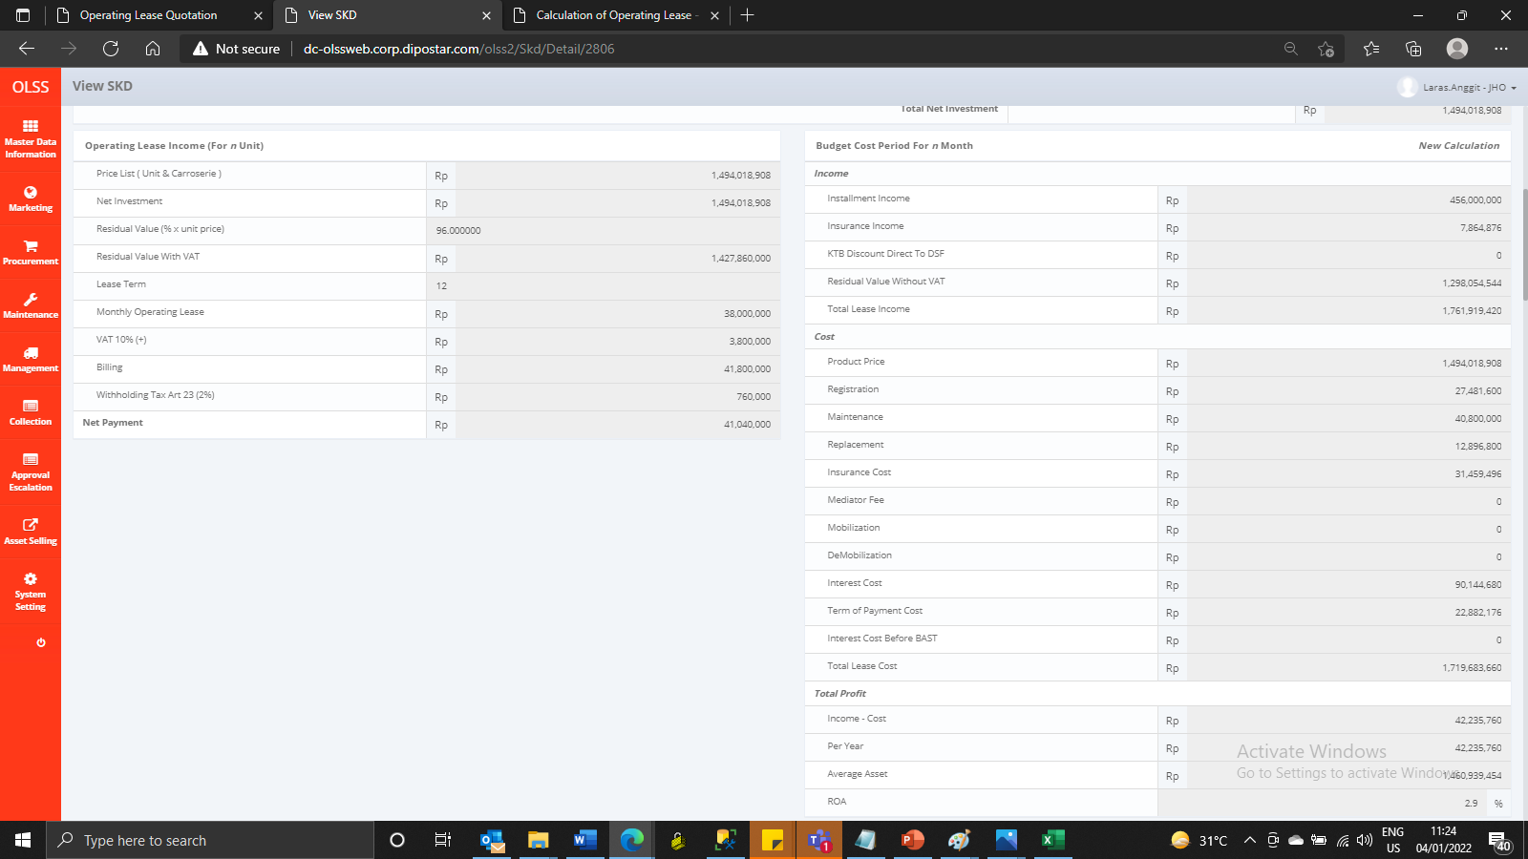
BEFORE
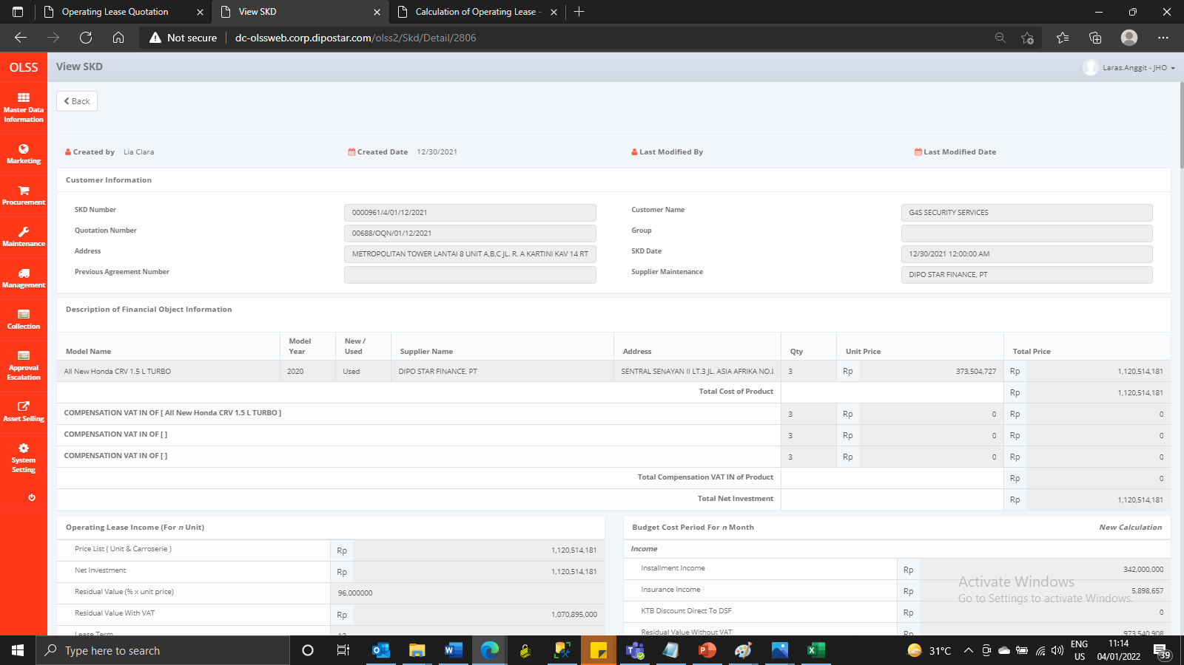
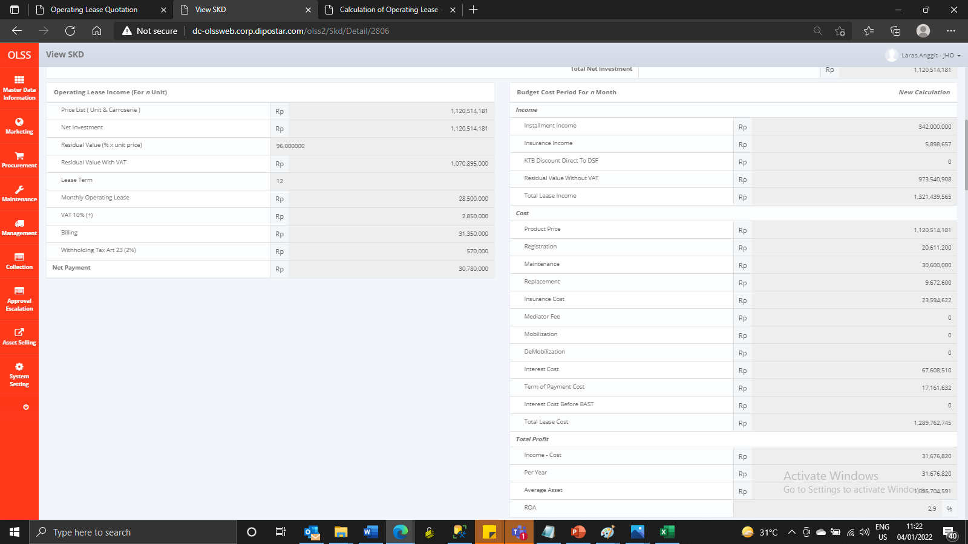
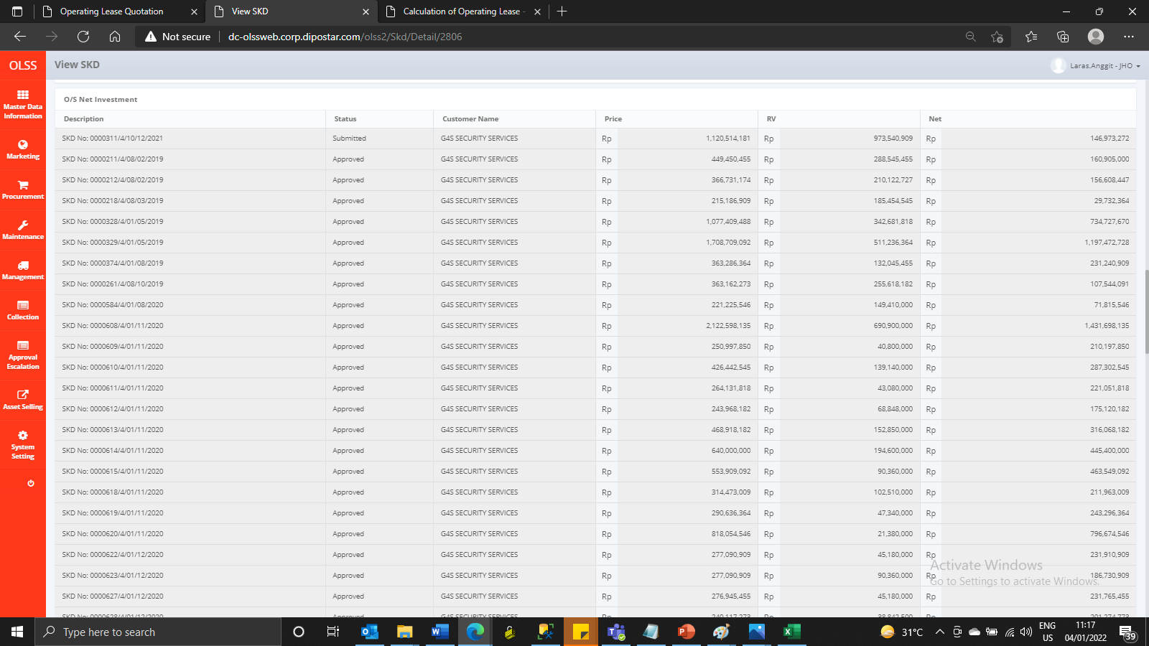


AFTER

